Startup
Instruction to run GUI automation

Files needed to run: blankConfig.xml, GAWrap2.exe, MouseKeyboardActivityMonitor.dll

1. Copy the files needed to run to the target machine.
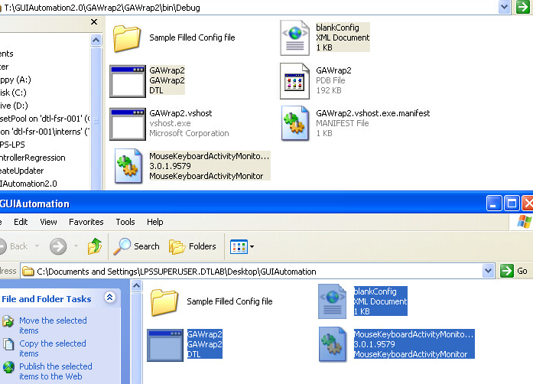

2. Open GAWrap2.exe
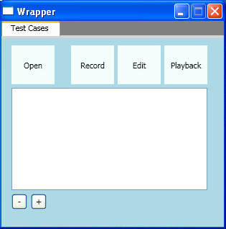

Click on the buttons above for explanations of the different features

Open
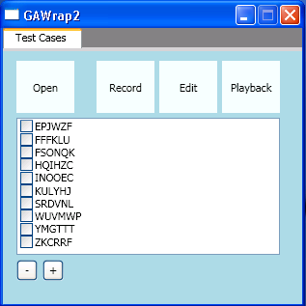
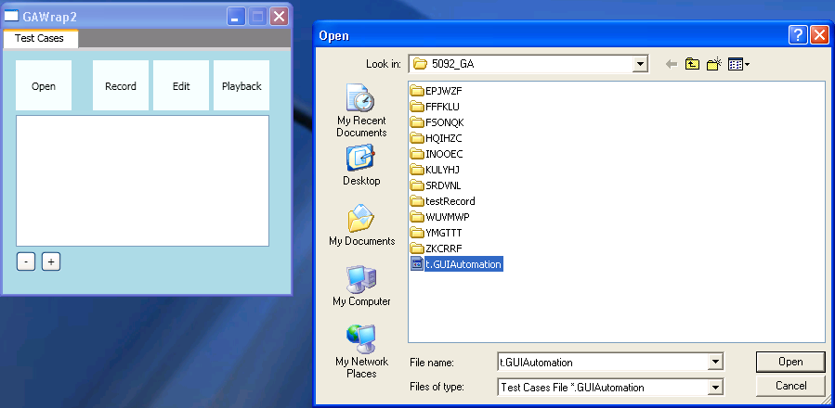

1. The Open button prompts the user to select a file with a .GUIAutomation extension.

2. You can load multiple test cases by putting your test cases into a folder with a .GUIAutomation file in it

3. GAWrap2.exe will scan the same directory and look for folders that contain a testcase.csv file.

4. Folders with a testcase.csv file are considered valid test cases are used to populate the test case listbox.

Record
(Note: To run Record on windows 7, you need to build the project for x86)

1. To record a test case, have an item in the list highlighted and click record.
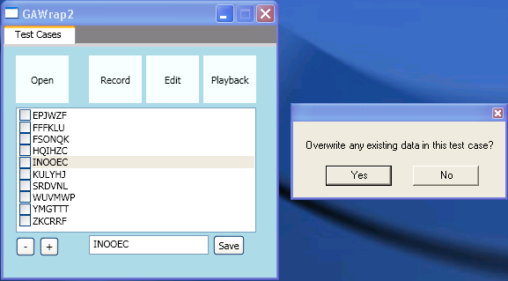

2. The user will be prompted with a confirmation to overwrite the existing test case within the test case folder. (To create a new test case see AddTC)

3. The GAWrap2.exe window will minimize to the tray. System time will automatically be set to 12am and stay at 12am while recording.


4. blankConfig.xml will be copied to the test case folder and renamed config.xml.

5. You can pause recording by pressing PrintScreen and you can stop recording by pressing F11.

6. Alternatively you can stop recording by right-clicking the tray app and selecting "Stop Recording"


7. After recording, GAWrap2.exe will maximize.

Edit
1. To open the edit GUI have an item in the list highlighted and press the Edit button. The test case will only be opened if it has a testcase.csv file in it.
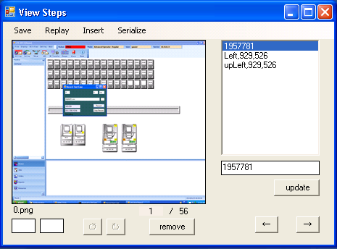

2. Each test case consists of steps. Each step consists of an image and the associated mouse click and keyboard input.

3. The editor loads a test case into memory and allows for modification of the steps in the test case within memory.

4. The save button is used to overwrite the test case with the modifications in memory.
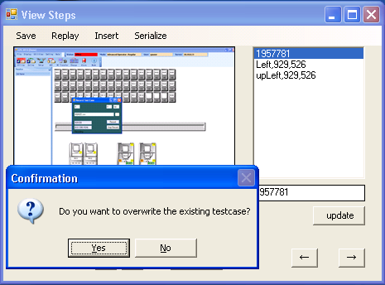

5. The Replay button plays back the automation to the step before the current step displayed in the GUI.

6. The Insert button inserts a recording before the step currently displayed in the GUI. By pressing insert, the Editor is minimized and record is called.

7. If steps are inserted into the test case, the image files will no longer be sequentially ordered. Serialize renames the images files and the references to the image files in the testcase.csv to have sequential names.

Playback
1. Checked test cases can be replayed using the Playback button.
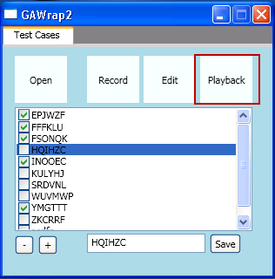

2. During playback, GAWrap2.exe will minimize to a tray application and the system time will be set to 12am

3. For each test case ran, Playback will first look for a setup.bat file within each test case folder and execute this file if it finds one. The user can use this file to setup the playback environments for each test case.

4. Playback will read the config.xml file for configuration info during playback.
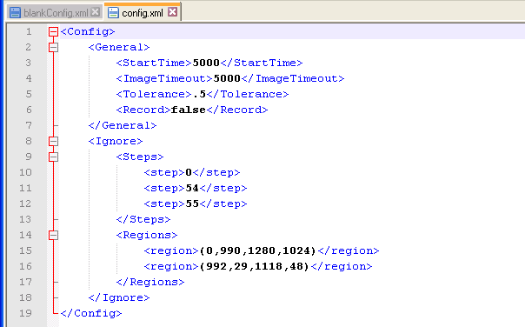

StartTime: Specifies the amount of time (ms) before playback begins. You can use this time to remove the mouse from the SUT so that no outside input is accidentally sent during playback.
ImageTimeout: Specifies the amount of time Playback will compare the current screen to the recorded images before Playback times out.
Tolerance: Specifies the maximum percent difference between the current screen and the recorded image that is required before the test case is allowed to proceed.
Record: Specifies whether to output screenshots into the results folder while replaying.
Steps: Each node specifies steps that you would like to ignore (starting from index 0).
Regions: Specifies regions of the screen to ignore during image compare. The coordinates are formatted as (upper left xpos, upper left ypos, lower right xpos, lower right ypos). The origin of the screen coordinates in windows is located in the upper left of the screen.

RemoveTC
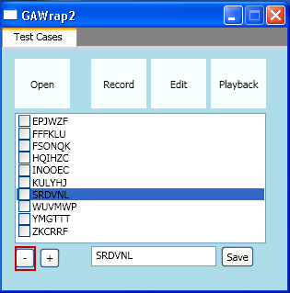
1. Test cases can be removed from the list by pressing the "-" button

AddTC
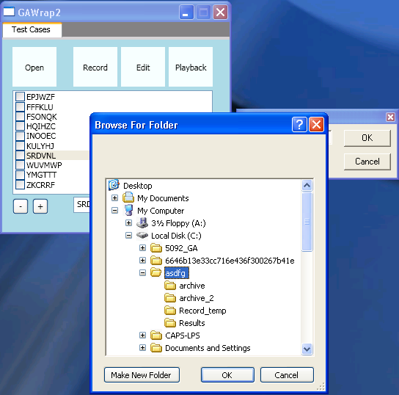
1. A test case can be added to the list by using the "+" button.
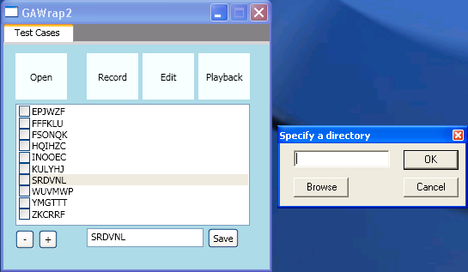

2. Any folder will do. You can either add an existing test case or add an empty folder to be used to record a new test case.

